Sheet1
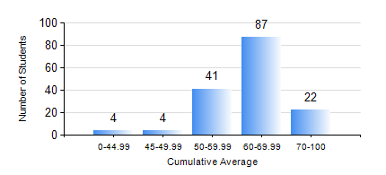
 |  |  | KWAME NKRUMAH UNIVERSITY OF SCIENCE AND TECHNOLOGY, KUMASI Department of Geological Engineering

 |  |  | BSC. GEOLOGICAL ENG.

 |  |  | COMPREHENSIVE RECORD OF EXAMINATION RESULTS

 |  |  | RESULTS OF YEAR 3 FIRST SEMESTER, 2021/2022 ACADEMIC YEAR

 | Sn | Course Code |  | Course Name | Credit Hours | Min. Mark | Max. Mark | Avg. Mark | Std. Dev. | No. Passed | No. Trailed | No. (Df) | No. (I) | No. (I*) | No. Tagged(I,I*,Df) | Total
 | 0. |  |  |  |  |  |  | 0 | 0 | 0 | 0 | 0 | 0 | 0 | 0 | 8
 | 1. | CE 359 |  | SOIL MECHANICS | 3 | 21 | 89 | 58 | 13.03 | 139 | 10 | 0 | 1 | 0 | 1 | 150
 | 2. | GED 351 |  | PETROLOGY | 3 | 20 | 77 | 56 | 11.26 | 146 | 4 | 0 | 0 | 0 | 0 | 150
 | 3. | GED 357 |  | BASIC HYDROLOGY | 2 | 25 | 84 | 58 | 12.6 | 137 | 11 | 0 | 2 | 0 | 2 | 150
 | 4. | GED 365 |  | GEOLOGICAL FIELD MAPPPING | 3 | 58 | 76 | 68 | 3.68 | 150 | 0 | 0 | 0 | 0 | 0 | 150
 | 5. | GED 369 |  | PHOTOGEOLOGY AND REMOTE SENSING | 3 | 47 | 88 | 66 | 8.07 | 150 | 0 | 0 | 0 | 0 | 0 | 150
 | 6. | GED 375 |  | PRINCIPLES OF ENGINEERING GEOLOGY | 2 | 40 | 88 | 63 | 11.4 | 150 | 0 | 0 | 0 | 0 | 0 | 150
 | 7. | MATH 351 |  | NUMERICAL ANALYSIS | 2 | 40 | 80 | 60 | 7.73 | 150 | 0 | 0 | 0 | 0 | 0 | 150
 | 8. | MATH 353 |  | PROBABILTY AND STATISTICS | 2 | 37 | 83 | 63 | 9.59 | 149 | 1 | 0 | 0 | 0 | 0 | 150

